Raw_Data
Region | Active Stores | Bouquet A | Bouquet B | Bouquet C | Units Shipped | Units Sold
Arizona | 30 | 120 | 250 | 500 | 1000 | 870
New Mexico | 20 | 60 | 150 | 300 | 700 | 420
Texas | 50 | 200 | 400 | 600 | 1500 | 1000
Raw_Data

Sell_Through
Region | Units Shipped | Units Sold | Sell Through
Arizona | 1000 | 870 | 87.00%
New Mexico | 700 | 420 | 60.00%
Texas | 1500 | 1000 | 66.67%
Sell_Through

Regional_Performance
Region | Units Sold
Arizona | 870
New Mexico | 420
Texas | 1000
Units Sold

Dashboard
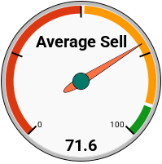
KPI´ 1 | KPI´ 2 | KPI´ 3

Total Units Sold | Total Units Shipped | Average Sell Through
2290 | 3200 | 71.6

